Empty chair
Confusion Matrix for Only "Empty Chair" Use Case

Usecase:- Empty Chair without FFT
 | F1_score
Empty chair with door close | 0.79
Empty chair with door open | 0.83
Empty chair with Window and door open | 0.48
Empty chair with window open | 0.82
Usecase:- without Classification | F1_score | Accuracy
Empty chair with door close | 0.79 | 66%
Empty chair with door open | 0.83 | 71% |  |  |  |  | Notices:- we show that when we open window and door together, sound is effecting more.
Empty chair with Window and door open | 0.48 | 39%
Empty chair with window open | 0.82 | 69%

Usecase:- with Classification | F1_score | Accuracy
Empty chair with door close | 0.81 | 70%
Empty chair with door open | 0.85 | 72%
Empty chair with Window and door open | 0.54 | 60%
Empty chair with window open | 0.83 | 70%

Usecase:- Empty Chair with FFT
 | F1_score
Empty chair with door close | 0.81
Empty chair with door open | 0.85
Empty chair with Window and door open | 0.54
Empty chair with window open | 0.83

 |  |  | Usecase:- Empty chair with door close |  | Usecase:- Empty chair with door close

 |  |  |  | Confusion Matrix without classification |  | Confusion Matrix with classification
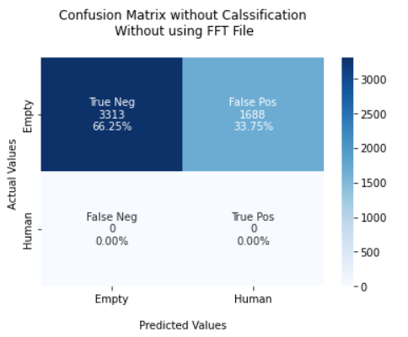
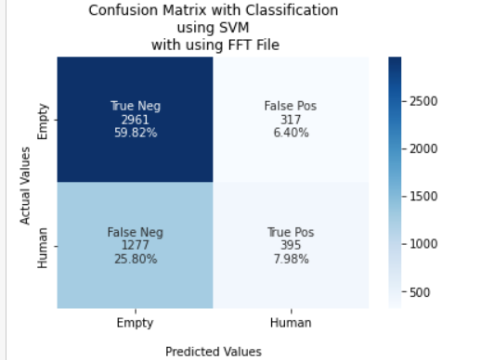

 |  |  |  | F1 Score = 0.79 |  | F1 Score = 0.81
 |  |  |  | TPR: [0.66246751 nan] |  | TPR: [0.90329469 0.23624402]
 |  |  |  | TNR: [ nan 0.66246751] |  | TNR: [0.23624402 0.90329469]
 |  |  |  | PPV: [1. 0.] |  | PPV: [0.69867862 0.55477528]
 |  |  |  | NPV: [0. 1.] |  | NPV: [0.55477528 0.69867862]
 |  |  |  | FPR: [ nan 33.75324935] |  | FPR: [76.375598 9.670531]
 |  |  |  | FNR: [33.75324935 nan] |  | FNR: [9.670531 76.375598]
 |  |  |  | FDR: [0. 1.] |  | FDR: [0.30132138 0.44522472]
 |  |  |  | ACC: [0.66] |  | ACC: [0.70]

 |  |  | Usecase:- Empty chair with door open |  | Usecase:- Empty chair with door open

 |  |  |  | Confusion Matrix without classification |  | Confusion Matrix with classification
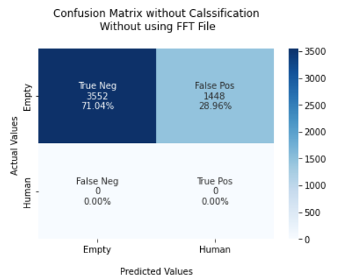
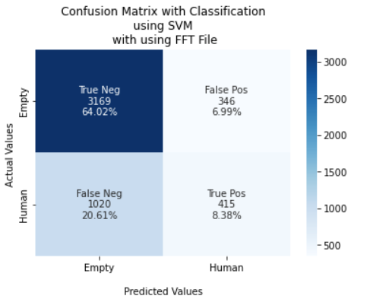

 |  |  |  | F1 Score = 0.83 |  | F1 Score = 0.85
 |  |  |  | TPR: [0.7104 nan] |  | TPR: [0.90156472 0.28919861]
 |  |  |  | TNR: [nan 0.7104] |  | TNR: [0.28919861 0.90156472]
 |  |  |  | PPV: [1. 0.] |  | PPV: [0.75650513 0.54533509]
 |  |  |  | NPV: [0. 1.] |  | NPV: [0.54533509 0.75650513]
 |  |  |  | FPR: [ nan 28.96] |  | FPR: [71.080139 9.843528]
 |  |  |  | FNR: [28.96 nan] |  | FNR: [9.843528 71.080139]
 |  |  |  | FDR: [0. 1.] |  | FDR: [0.24349487 0.45466491]
 |  |  |  | ACC: [0.7104] |  | ACC: [0.72]

 |  |  | Usecase:- Empty chair with Window and door open |  | Usecase:- Empty chair with Window and door open

 |  |  |  | Confusion Matrix without classification |  | Confusion Matrix with classification
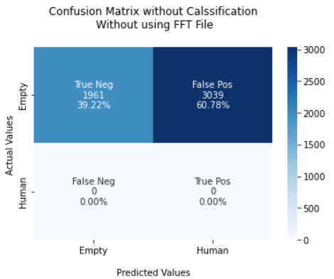
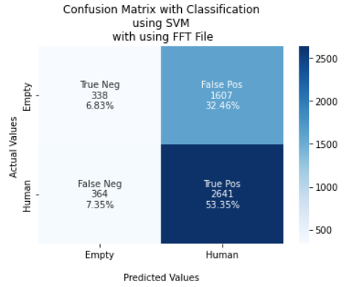

 |  |  |  | F1 Score = 0.48 |  | F1 Score = 0.54
 |  |  |  | TPR: [0.3922 nan] |  | TPR: [0.17377892 0.87886855]
 |  |  |  | TNR: [ nan 0.3922] |  | TNR: [0.87886855 0.17377892]
 |  |  |  | PPV: [1. 0.] |  | PPV: [0.48148148 0.62170433]
 |  |  |  | NPV: [0. 1.] |  | NPV: [0.62170433 0.48148148]
 |  |  |  | FPR: [ nan 60.78] |  | FPR: [12.11314476 82.62210797]
 |  |  |  | FNR: [60.78 nan] |  | FNR: [82.62210797 12.11314476]
 |  |  |  | FDR: [0. 1.] |  | FDR: [0.51851852 0.37829567]
 |  |  |  | ACC: [0.39] |  | ACC: [0.60]

 |  |  | Usecase:- Empty chair with door close |  | Usecase:- Empty chair with door close

 |  |  |  | Confusion Matrix without classification |  | Confusion Matrix with classification
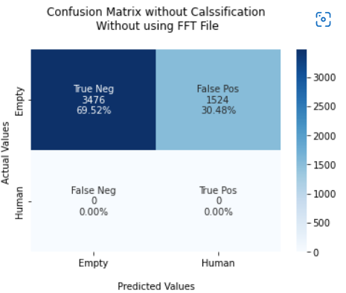
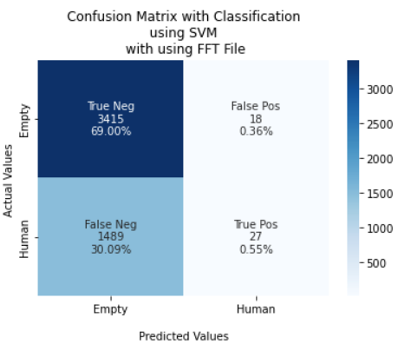

 |  |  |  | F1 Score = 0.82 |  | F1 Score = 0.79
 |  |  |  | TPR: [0.6952 nan] |  | TPR: [0.99475677 0.01781003]
 |  |  |  | TNR: [ nan 0.6952] |  | TNR: [0.01781003 0.99475677]
 |  |  |  | PPV: [1. 0.] |  | PPV: [0.69637031 0.6 ]
 |  |  |  | NPV: [0. 1.] |  | NPV: [0.6 0.69637031]
 |  |  |  | FPR: [ nan 30.48] |  | FPR: [98.21899736 0.52432275]
 |  |  |  | FNR: [30.48 nan] |  | FNR: [ 0.52432275 98.21899736]
 |  |  |  | FDR: [0. 1.] |  | FDR: [0.30362969 0.4 ]
 |  |  |  | ACC: [0.69] |  | ACC: [0.70 ]

